About
 |  | FSSE 2014 Frequencies About This Report

The display below highlights details in the FSSE Frequencies report that are important to keep in mind when interpreting your results. For more information about the survey, please visit our Web site (fsse.iub.edu) or contact a member of the FSSE team.

1. | Sample: The FSSE Frequencies report is based on information from all faculty at your institution who responded to the survey based on their experiences teaching either a lower- or upper-division course. Faculty who responded based on another type of course or who did not report the course level are not included in this report.

2. | Class level: Frequency distributions are reported separately for faculty who teach lower-division and upper-division courses.

3. | Item numbers: Item numbering corresponds to the survey facsimile included in your Institutional Report and available on the FSSE Web site.

1
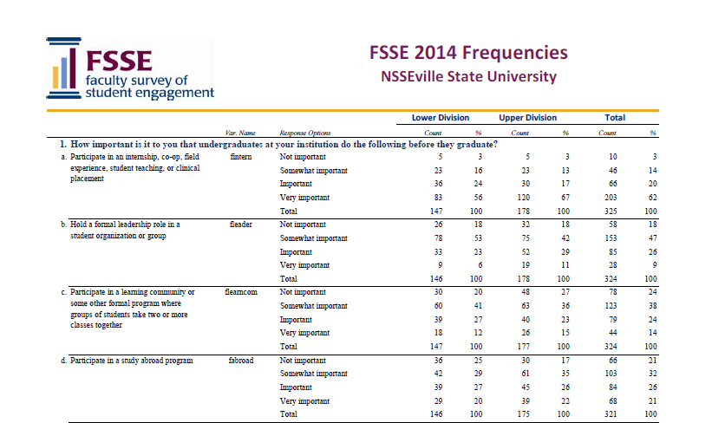

2

3

SAMPLE
5

4

6

4. | Item wording and variable names: Survey items are in the same order and wording as they appear on the instrument. Variable names are included for easy reference to your data file and codebook.

5. | Response options: Response options are listed just as they appear on the instrument.

6. | Count and column percentage (%): The Count column contains the number of faculty who selected the corresponding response option. The column percentage represents the percentage of faculty selecting the corresponding response option.

